OCR Test Data
OCR Test Spreadsheet — Driver License Image + Dummy PII Data
SECTION 1: Embedded Driver License Image
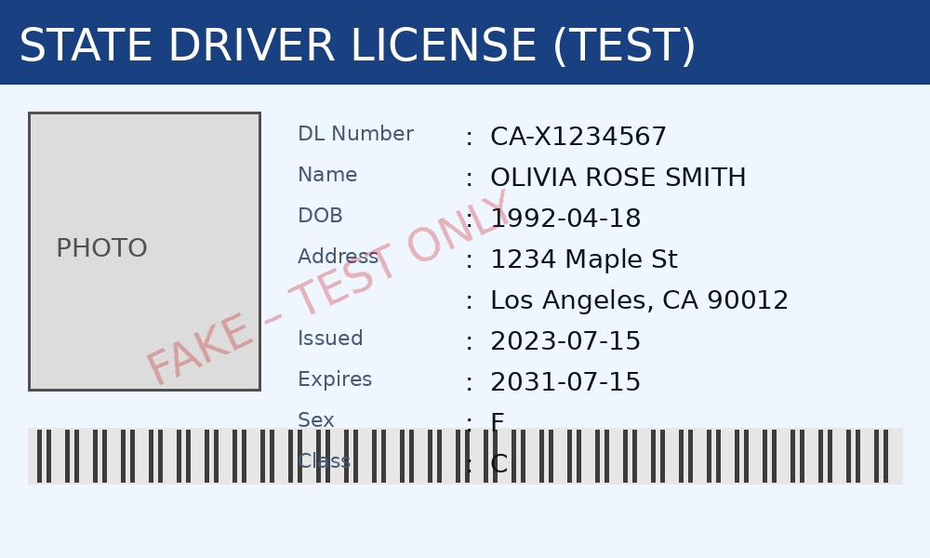

SECTION 2: Typed / Selectable PII Data (for OCR comparison)
Field | Value | Category | Source Scenario
Name | Priya Sharma | Identity | Scenario 1 – HR
DOB | 15/08/1990 | Identity | Scenario 1 – HR
Phone | +91 9876543210 | Contact | Scenario 1 – HR
Email | priya.sharma@example.in | Contact | Scenario 1 – HR
Aadhaar | 2345 6789 0123 | Gov ID | Scenario 1 – HR
PAN Card | ABCPS1234A | Gov ID | Scenario 1 – HR
Bank Account | 3456789012 | Financial | Scenario 1 – HR
IFSC | HDFC0001234 | Financial | Scenario 1 – HR
Address | 12 MG Road, Bengaluru, KA 560001 | Contact | Scenario 1 – HR
Voter ID | KAR1234567 | Gov ID | Scenario 5

NOTE: All data is synthetic — for OCR/PII detection testing only.

